RELEASE MEDIA PLAN
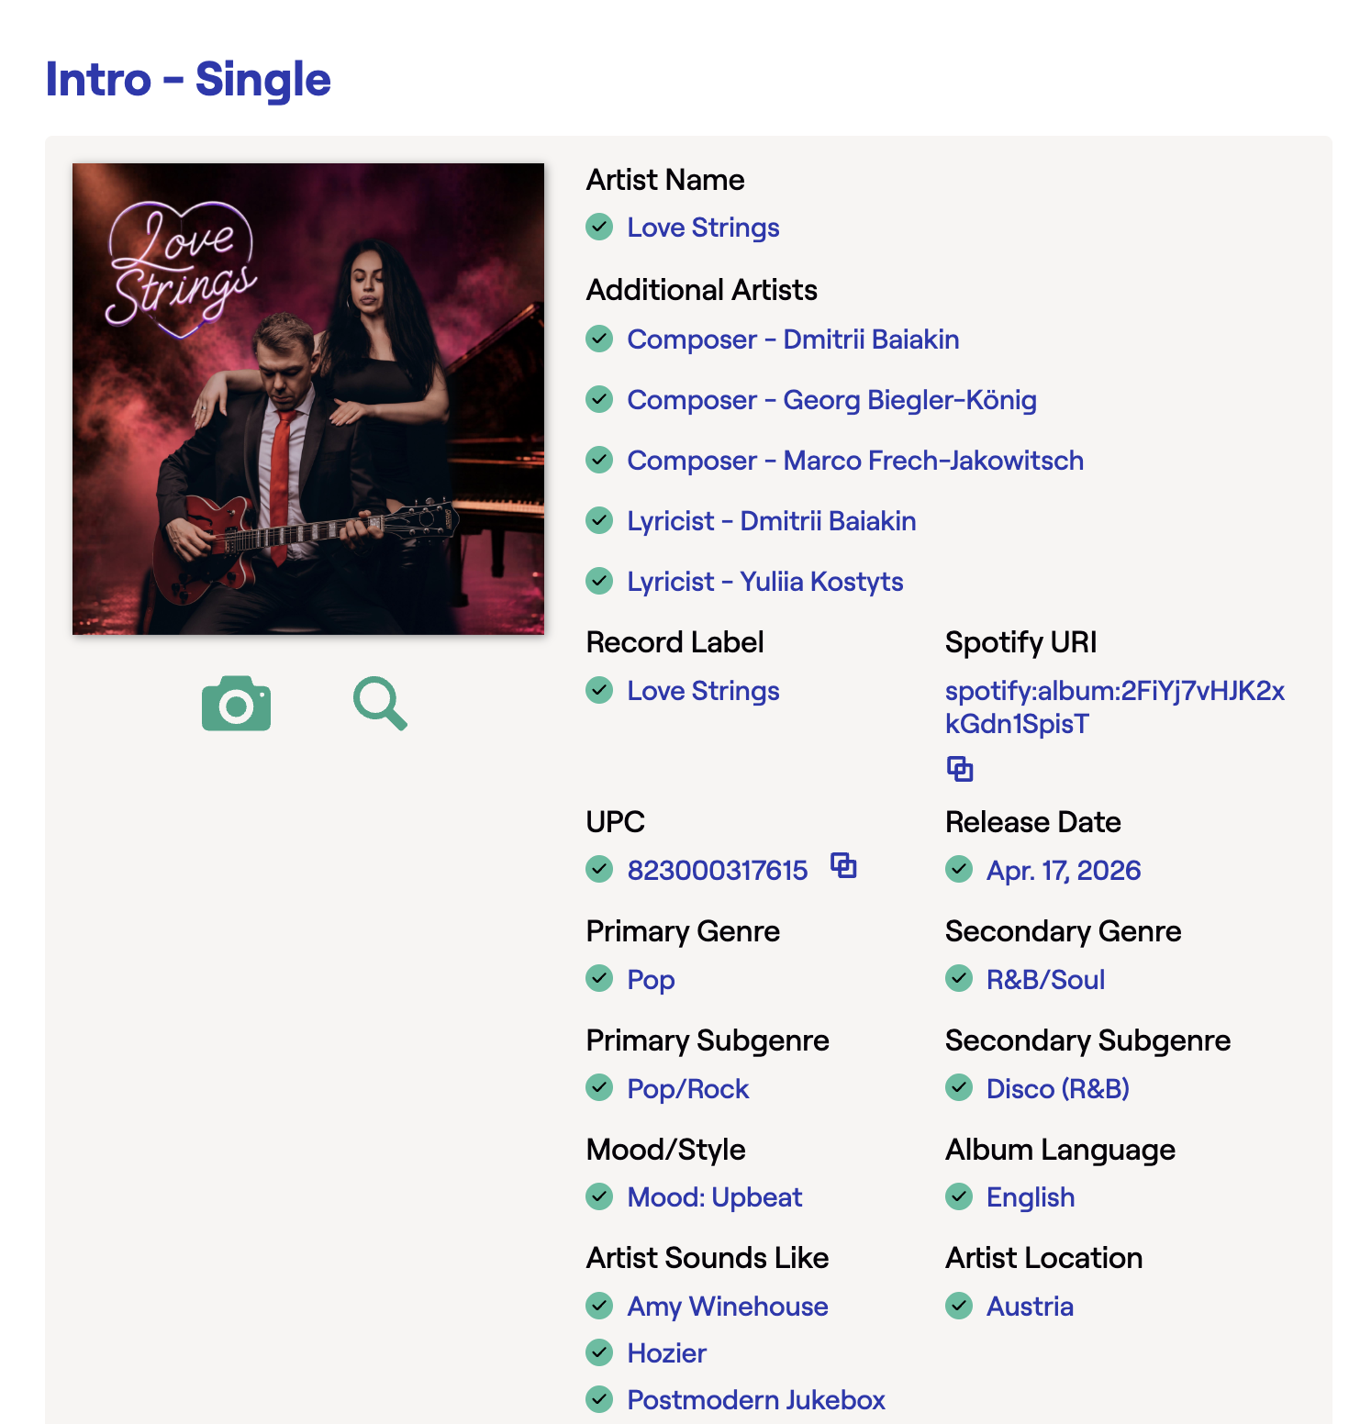
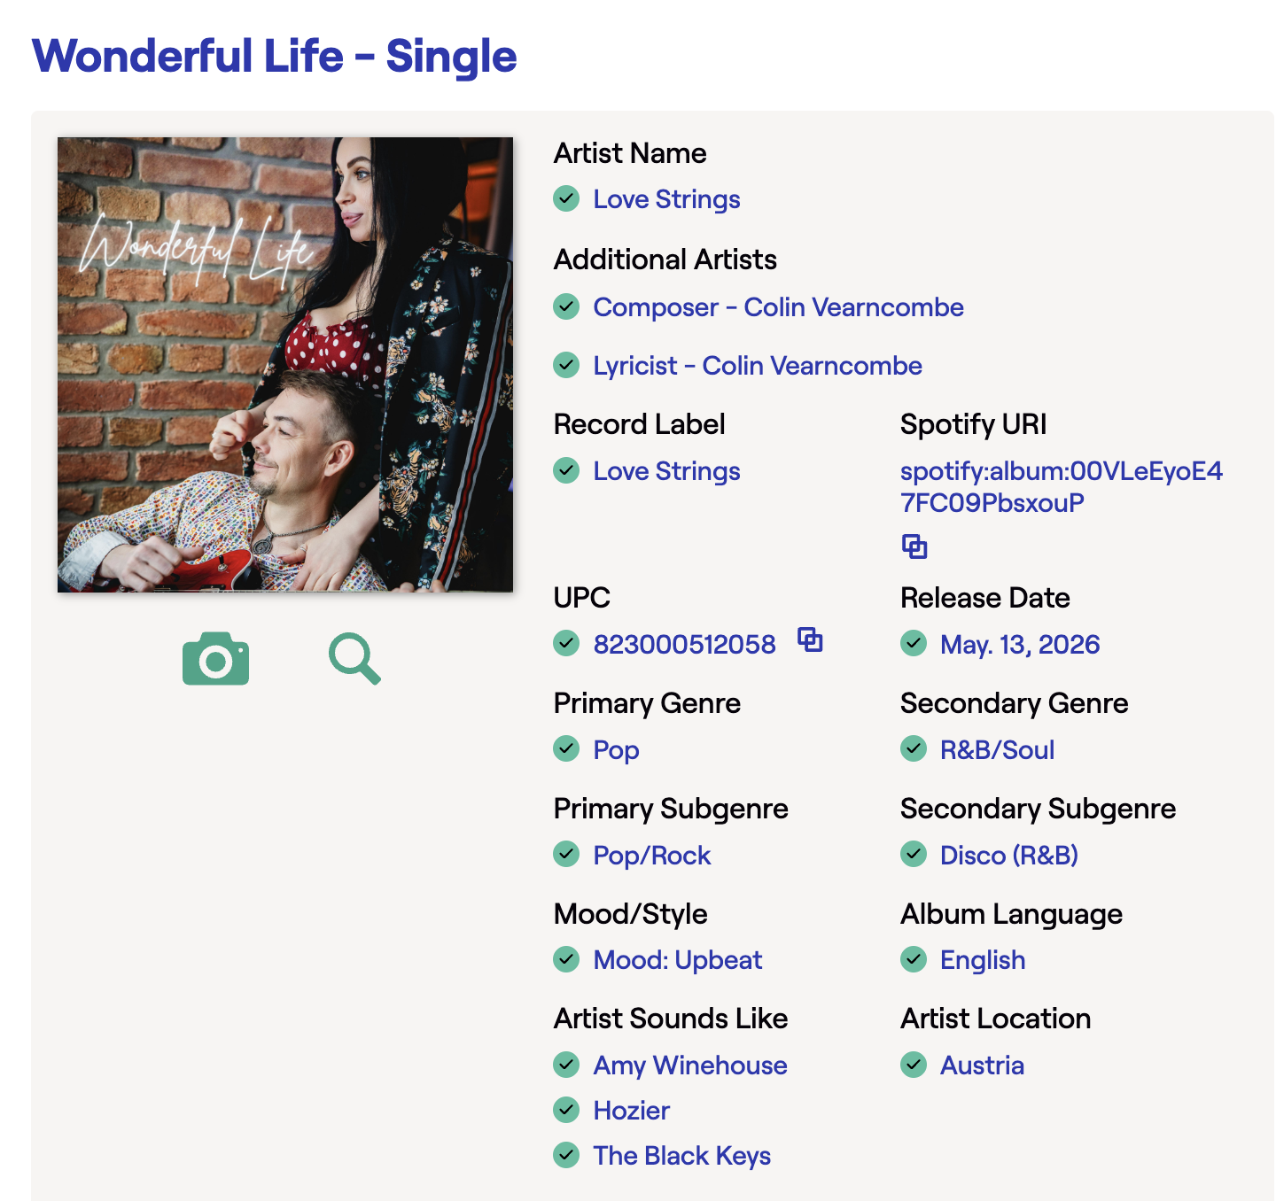
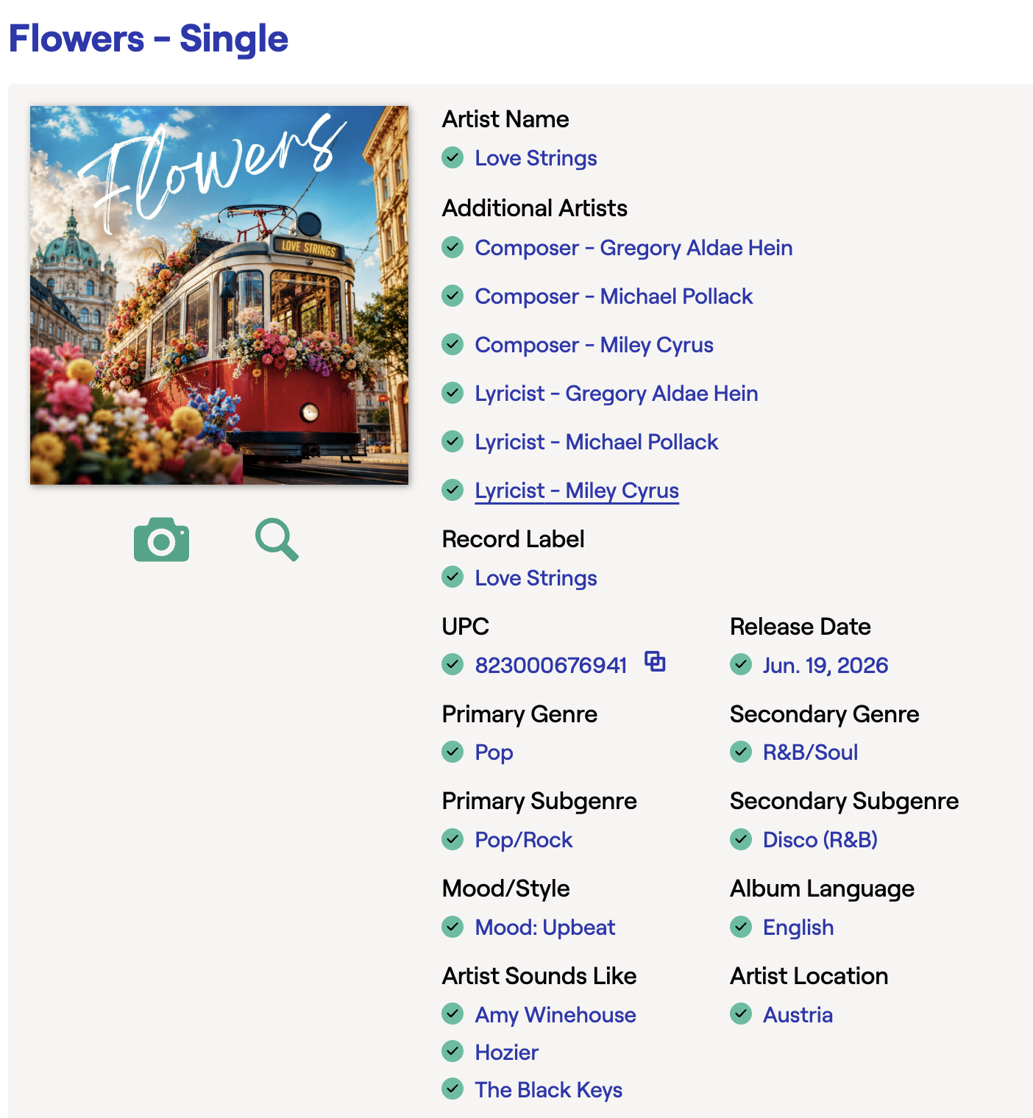
 | DATE | RELEASE | Instagram | YouTube | Subs count
| | 2026-04-10 |  |  |  |  | STRATEGY | ✅ Strong combo:
| | 2026-04-11 |  |  |  |  | Originals → CD Baby | Hozier
| | 2026-04-12 | Intro submit |  |  |  | First covers → CD Baby (licensed) | Amy Winehouse
| | 2026-04-13 |  |  |  |  | Bulk covers → Soundrop | Arctic Monkeys (for groove + attitude)
| | 2026-04-14 |  |  |  |  | No subscriptions → ✔️ | The Black Keys
| | 2026-04-15 |  |  |  |  |  | 👉 keep these consistent across releases
| | 2026-04-16 |  |  |  |  |  | ✅ Primary Genre |  | 👉 Pop
| | 2026-04-17 |  |  |  |  |  | ✅ Primary Subgenre |  | 👉 Pop/Rock
| | 2026-04-18 |  |  |  |  |  | ✅ Secondary Genre
| | 2026-04-19 |  |  |  |  |  | Rock → if guitar-driven
| | 2026-04-20 |  |  |  |  |  | R&B/Soul → if groove + vocal-driven
| | 2026-04-21 | Intro release |  |  |  |  | 👉 You can switch this occasionally, but keep it within these 2
| | 2026-04-22 |  |  |  |  |  | 🌙 Mood / Style | Upbeat | Dreamy
| | 2026-04-23 |  |  |  |  |  | Primary Genre: Pop
| | 2026-04-24 |  |  |  |  |  | Primary Subgenre: Pop/Rock
| | 2026-04-25 |  |  |  |  |  | Secondary Genre: Rock or R&B/Soul
| | 2026-04-26 |  |  |  |  |  | Mood: Energetic, Groovy, Passionate, Warm
| | 2026-04-27 |  |  |  |  |  | Sounds Like: Hozier, Amy Winehouse, The Black Keys
| | 2026-04-28 |  |  |  |  |  | Artists:
| | 2026-04-29 |  |  |  |  |  | Rockabilly:
| | 2026-04-30 |  |  |  |  |  | The Baseballs
| | 2026-05-01 |  |  |  |  |  | Postmodern Jukebox
| | 2026-05-02
| | 2026-05-03
| | 2026-05-04
| | 2026-05-05 | WL submit | x
| | 2026-05-06
| | 2026-05-07
| | 2026-05-08
| | 2026-05-09
| | 2026-05-10
| | 2026-05-11
| | 2026-05-12
| | 2026-05-13
| | 2026-05-14 |  | x
| | 2026-05-15 | WL release
| | 2026-05-16 | Jukebox release | JB full reel | JB video
| | 2026-05-17 |  | post+stories | JB short 1
| | 2026-05-18 |  | Post carusel | JB short 2
| | 2026-05-19 | WL mood | WL vertical, JB short 1 (evening) | WL mood
| | 2026-05-20 |  |  | JB short 3
| | 2026-05-21 |  |  | WL mood 1
| | 2026-05-22 |  |  | JB short 4 | 148 / 18
| | 2026-05-23 |  |  | JB short 5
| | 2026-05-24 |  |  | WL mood 2
| | 2026-05-25 |  |  | JB short 6
| | 2026-05-26 |  |  | WL mood 3
| | 2026-05-27 | Flowers submit |  | JB short 7
| | 2026-05-28 |  |  | WL mood 4
| | 2026-05-29 |  |  | JB short 8
| | 2026-05-30 |  |  | JB short 9
| | 2026-05-31 |  |  | WL mood 5
| | 2026-06-01 |  |  | JB short 10
| | 2026-06-02 |  |  | WL mood 6
| | 2026-06-03 | WL music video | WL vertical Video | JB short 11
| | 2026-06-04 |  | WL stories with photo and video | WL hor + mood 7 | 158 / 22
| | 2026-06-05 |  | WL short 1 Official Video | JB short 12
| | 2026-06-06 |  | WL short 1 Official Video | WL mood 8
| | 2026-06-07 |  | WL short 1 Official Video | WL roof 1
| | 2026-06-08 |  | Сторис из 11 штук - Jukebox | WL mood 9
| | 2026-06-09 |  | WL 1 | WL roof 1
| | 2026-06-10 |  | WL 2 | WL mood 10
| | 2026-06-11 |  | Три фото | WL roof 2 | 174 / 28
| | 2026-06-12 |  | WL 3 | WL roof 3
| | 2026-06-13 |  | Рилс с призывом подписываться!
| | 2026-06-14 |  | Сторисы со сьемок! Готовим сюрприз! |  | 177 / 38
| | 2026-06-15 |  | Рилс про фотосессию! Вечером! | Music lovers
| | 2026-06-16 | 3:39:00 | Скоро релиз нового сингла!Есть идеи что записали для вас? | Feed a man
| | 2026-06-17 | Long Time submit | Возможно так? | Flowers teaser 1
| | 2026-06-18 |  | Уже завтра - FLOWERS | Flowers teaser 2
| | 2026-06-19 | Flowers release | Release FLOWERS (обложка сингла) | Flowers release
| | 2026-06-20 |  | Рилс с вопросом, где найти цветы
| | 2026-06-21 |  | Сторисы
| | 2026-06-22 |  | Рилс: Димын Др
| | 2026-06-23 |  | Рилс: дети | FL English lesson
| | 2026-06-24 |  | Рилс с ютуб мьюзиком
| | 2026-06-25 |  | Рилс: развешиваю вещи и пою Flowers
| | 2026-06-26 |  | Рилс: Юлин ДР
| | 2026-06-27 |  | ПРОЕБ
| | 2026-06-28 |  | ПРОЕБ
| | 2026-06-29 |  | Рилс - свадьба Карины
| | 2026-06-30 |  | ПРОЕБ
| | 2026-07-01 |  | Фото МАРГО
| | 2026-07-02 |  | Старый смешной рилс про домашние репетиции
| | 2026-07-03 |  | Домашнее исполнение Flowers с новой обложкой
| | 2026-07-04 |  | Одно фото из последней фотосессии Вопрос аудитории: "Which song should we perform next?"
| | 2026-07-05 |  | Старый концертный рилс, который не набрал просмотров (не Long Time)! Или рилс с канинынгй свадьбы, что предпочтительнее
| | 2026-07-06 |  | Рилс с призывом подписываться - старый 6 секунд в сторис, только сторис, пауза перед началом новой компании
X | 2026-07-07 |  | Рилс с фоткой о том, что мы скоро в Хард рок кафе под Лонг тайм уже
| | 2026-07-08 |  | 😂 Домашняя репетиция ("Что делаешь?" — "Готовимся к концерту")
| | 2026-07-09 |  | 🎥 Концертный фрагмент Long Time! новый пиквикс
| | 2026-07-10 | Long Time release | Long time is out
| | 2026-07-11 |  | Хороший кусок из концерта Long time
| | 2026-07-12
| | 2026-07-13
| | 2026-07-14
| | 2026-07-15
| | 2026-07-16
| | 2026-07-17
| | 2026-07-18
| | 2026-07-19
| | 2026-07-20
| | 2026-07-21
| | 2026-07-22
| | 2026-07-23
| | 2026-07-24
| | 2026-07-25
| | 2026-07-26
| | 2026-07-27
| | 2026-07-28
| | 2026-07-29
| | 2026-07-30
| | 2026-07-31
| | 2026-08-01
| | 2026-08-02
| | 2026-08-03
| | 2026-08-04
| | 2026-08-05
| | 2026-08-06
| | 2026-08-07
| | 2026-08-08
| | 2026-08-09
| | 2026-08-10
| | 2026-08-11
| | 2026-08-12
| | 2026-08-13
| | 2026-08-14
| | 2026-08-15
| | 2026-08-16
| | 2026-08-17
| | 2026-08-18
| | 2026-08-19
| | 2026-08-20
| | 2026-08-21
| | 2026-08-22
| | 2026-08-23
| | 2026-08-24
| | 2026-08-25
| | 2026-08-26
| | 2026-08-27
| | 2026-08-28
| | 2026-08-29
| | 2026-08-30
| | 2026-08-31
| | 2026-09-01
| | 2026-09-02
| | 2026-09-03
| | 2026-09-04
| | 2026-09-05
| | 2026-09-06
| | 2026-09-07
| | 2026-09-08
| | 2026-09-09
| | 2026-09-10
| | 2026-09-11
| | 2026-09-12
| | 2026-09-13
| | 2026-09-14
| | 2026-09-15
| | 2026-09-16
| | 2026-09-17
| | 2026-09-18
| | 2026-09-19
| | 2026-09-20
| | 2026-09-21
| | 2026-09-22
| | 2026-09-23
| | 2026-09-24
| | 2026-09-25
| | 2026-09-26
| | 2026-09-27
| | 2026-09-28
| | 2026-09-29
| | 2026-09-30
| | 2026-10-01
| | 2026-10-02
| | 2026-10-03
| | 2026-10-04
| | 2026-10-05
| | 2026-10-06
| | 2026-10-07
| | 2026-10-08
| | 2026-10-09
| | 2026-10-10
| | 2026-10-11
| | 2026-10-12
| | 2026-10-13
| | 2026-10-14
| | 2026-10-15
| | 2026-10-16
| | 2026-10-17
| | 2026-10-18
| | 2026-10-19
| | 2026-10-20
| | 2026-10-21
| | 2026-10-22
| | 2026-10-23
| | 2026-10-24
| | 2026-10-25
| | 2026-10-26
| | 2026-10-27
| | 2026-10-28
| | 2026-10-29
| | 2026-10-30
| | 2026-10-31
| | 2026-11-01
| | 2026-11-02
| | 2026-11-03
| | 2026-11-04
| | 2026-11-05
| | 2026-11-06
| | 2026-11-07
| | 2026-11-08
| | 2026-11-09
| | 2026-11-10
| | 2026-11-11
| | 2026-11-12
| | 2026-11-13
| | 2026-11-14
| | 2026-11-15
| | 2026-11-16
| | 2026-11-17
| | 2026-11-18
| | 2026-11-19
| | 2026-11-20
| | 2026-11-21
| | 2026-11-22
| | 2026-11-23
| | 2026-11-24
| | 2026-11-25
| | 2026-11-26
| | 2026-11-27
| | 2026-11-28
| | 2026-11-29
| | 2026-11-30
| | 2026-12-01
| | 2026-12-02
| | 2026-12-03
| | 2026-12-04
| | 2026-12-05
| | 2026-12-06
| | 2026-12-07
| | 2026-12-08
| | 2026-12-09
| | 2026-12-10
| | 2026-12-11
| | 2026-12-12
| | 2026-12-13
| | 2026-12-14
| | 2026-12-15
| | 2026-12-16
| | 2026-12-17
| | 2026-12-18
| | 2026-12-19
| | 2026-12-20
| | 2026-12-21
| | 2026-12-22
| | 2026-12-23
| | 2026-12-24
| | 2026-12-25
| | 2026-12-26
| | 2026-12-27
| | 2026-12-28
| | 2026-12-29
| | 2026-12-30
| | 2026-12-31
| | 2027-01-01
| | 2027-01-02
| | 2027-01-03
| | 2027-01-04
| | 2027-01-05
| | 2027-01-06
| | 2027-01-07
| | 2027-01-08
| | 2027-01-09
| | 2027-01-10
| | 2027-01-11
| | 2027-01-12
| | 2027-01-13
| | 2027-01-14
| | 2027-01-15
| | 2027-01-16
| | 2027-01-17
| | 2027-01-18
| | 2027-01-19
| | 2027-01-20
| | 2027-01-21
| | 2027-01-22
| | 2027-01-23
| | 2027-01-24
| | 2027-01-25
| | 2027-01-26
| | 2027-01-27
| | 2027-01-28
| | 2027-01-29
| | 2027-01-30
| | 2027-01-31
| | 2027-02-01
| | 2027-02-02
| | 2027-02-03
| | 2027-02-04
| | 2027-02-05
| | 2027-02-06
| | 2027-02-07
| | 2027-02-08
| | 2027-02-09
| | 2027-02-10
| | 2027-02-11
| | 2027-02-12
| | 2027-02-13
| | 2027-02-14
| | 2027-02-15
| | 2027-02-16
| | 2027-02-17
| | 2027-02-18
| | 2027-02-19
| | 2027-02-20
| | 2027-02-21
| | 2027-02-22
| | 2027-02-23
| | 2027-02-24
| | 2027-02-25
| | 2027-02-26
| | 2027-02-27
| | 2027-02-28
| | 2027-03-01
| | 2027-03-02
| | 2027-03-03
| | 2027-03-04
| | 2027-03-05
| | 2027-03-06
| | 2027-03-07
| | 2027-03-08
| | 2027-03-09
| | 2027-03-10
| | 2027-03-11
| | 2027-03-12
| | 2027-03-13
| | 2027-03-14
| | 2027-03-15
| | 2027-03-16
| | 2027-03-17
| | 2027-03-18
| | 2027-03-19
| | 2027-03-20
| | 2027-03-21
| | 2027-03-22
| | 2027-03-23
| | 2027-03-24
| | 2027-03-25
| | 2027-03-26
| | 2027-03-27
| | 2027-03-28
| | 2027-03-29
| | 2027-03-30
| | 2027-03-31
| | 2027-04-01
| | 2027-04-02
| | 2027-04-03
| | 2027-04-04
| | 2027-04-05
| | 2027-04-06
| | 2027-04-07
| | 2027-04-08
| | 2027-04-09
| | 2027-04-10
| | 2027-04-11
| | 2027-04-12
| | 2027-04-13
| | 2027-04-14
| | 2027-04-15
| | 2027-04-16
| | 2027-04-17
| | 2027-04-18
| | 2027-04-19
| | 2027-04-20
| | 2027-04-21
| | 2027-04-22
| | 2027-04-23
| | 2027-04-24
| | 2027-04-25
| | 2027-04-26
| | 2027-04-27
| | 2027-04-28
| | 2027-04-29
| | 2027-04-30
| | 2027-05-01
| | 2027-05-02
| | 2027-05-03
| | 2027-05-04
| | 2027-05-05
| | 2027-05-06
| | 2027-05-07
| | 2027-05-08
| | 2027-05-09
| | 2027-05-10
| | 2027-05-11
| | 2027-05-12
| | 2027-05-13
| | 2027-05-14
| | 2027-05-15
| | 2027-05-16
| | 2027-05-17
| | 2027-05-18
| | 2027-05-19
| | 2027-05-20
| | 2027-05-21
| | 2027-05-22
| | 2027-05-23
| | 2027-05-24
| | 2027-05-25
| | 2027-05-26
| | 2027-05-27
| | 2027-05-28
| | 2027-05-29
| | 2027-05-30
| | 2027-05-31
| | 2027-06-01
| | 2027-06-02
| | 2027-06-03
| | 2027-06-04
| | 2027-06-05
| | 2027-06-06
| | 2027-06-07
| | 2027-06-08
| | 2027-06-09
| | 2027-06-10
| | 2027-06-11
| | 2027-06-12
| | 2027-06-13
| | 2027-06-14
| | 2027-06-15
| | 2027-06-16
| | 2027-06-17
| | 2027-06-18
| | 2027-06-19
| | 2027-06-20
| | 2027-06-21
| | 2027-06-22
| | 2027-06-23
| | 2027-06-24
| | 2027-06-25
| | 2027-06-26
| | 2027-06-27
| | 2027-06-28
| | 2027-06-29
| | 2027-06-30
| | 2027-07-01
| | 2027-07-02
| | 2027-07-03
| | 2027-07-04
| | 2027-07-05
| | 2027-07-06
| | 2027-07-07
| | 2027-07-08
| | 2027-07-09
| | 2027-07-10
| | 2027-07-11
| | 2027-07-12
| | 2027-07-13
| | 2027-07-14
| | 2027-07-15
| | 2027-07-16
| | 2027-07-17
| | 2027-07-18
| | 2027-07-19
| | 2027-07-20
| | 2027-07-21
| | 2027-07-22
| | 2027-07-23
| | 2027-07-24
| | 2027-07-25
| | 2027-07-26
| | 2027-07-27
| | 2027-07-28
| | 2027-07-29
| | 2027-07-30
| | 2027-07-31
| | 2027-08-01
| | 2027-08-02
| | 2027-08-03

